Political_Party vs Highest_Seat
 |  | 1.Which political party won the highest number of seats across all states?

Row Labels | Count of CONSTITUENCY
AITC | 47
BJP | 420
BSP | 163
CPI(M) | 100
INC | 413
IND | 201
MNM | 36
NTK | 38
SHS | 26
SP | 39
VBA | 47
Grand Total | 1530

Highest Votes vs Constituency
 |  | 2.Which candidate received the highest percentage of votes compared to the total votes polled in their constituency?

Row Labels | Max of OVER TOTAL VOTES POLLED
AMIT SHAH | 69.5758213
C. R. Patil | 74.29821667
Darshana Vikram Jardosh | 74.41185575
Diya Kumari | 69.55235452
Gopal Shetty | 71.38435617
Kishan Kapoor | 71.83534148
RANJANBEN BHATT | 72.21643381
Sanjay Bhatia | 70.04319717
SUBHASH CHANDRA BAHERIA | 71.5600403
UDAY PRATAP SINGH | 69.32987655
Grand Total | 74.41185575

Candidate VS criminal cases
 |  |  | 3.How many winning candidates have declared criminal cases, and which party has the highest number of such candidates?

Row Labels | Sum of CRIMINAL | Sum of WINNER
BJP | 898 | 300
BSP | 175 | 11
CPI(M) | 168 | 5
INC | 734 | 52
IND | 131 | 4
NCP | 54 | 5
RJD | 52 | 0
SHS | 62 | 18
SP | 74 | 5
VBA | 44 | 0
Grand Total | 2392 | 400

Constituency vs Candidates
 |  | Which constituency has the highest number of candidates?

Row Labels | Count of NAME
ARUKU | 7
AURANGABAD | 13
BANKA | 7
BARAMULLA | 7
BASTAR | 7
CHATRA | 8
GAYA (SC) | 11
JAHANABAD | 7
KHAGARIA | 7
KORAPUT | 7
MAHABUBABAD | 7
MAHARAJGANJ | 8
MUNGER | 7
PALAMAU | 7
SAMASTIPUR (SC) | 7
SHEOHAR | 8
SUPAUL | 8
UJIARPUR | 8
VAISHALI | 7
Grand Total | 148

Election Result Analysis
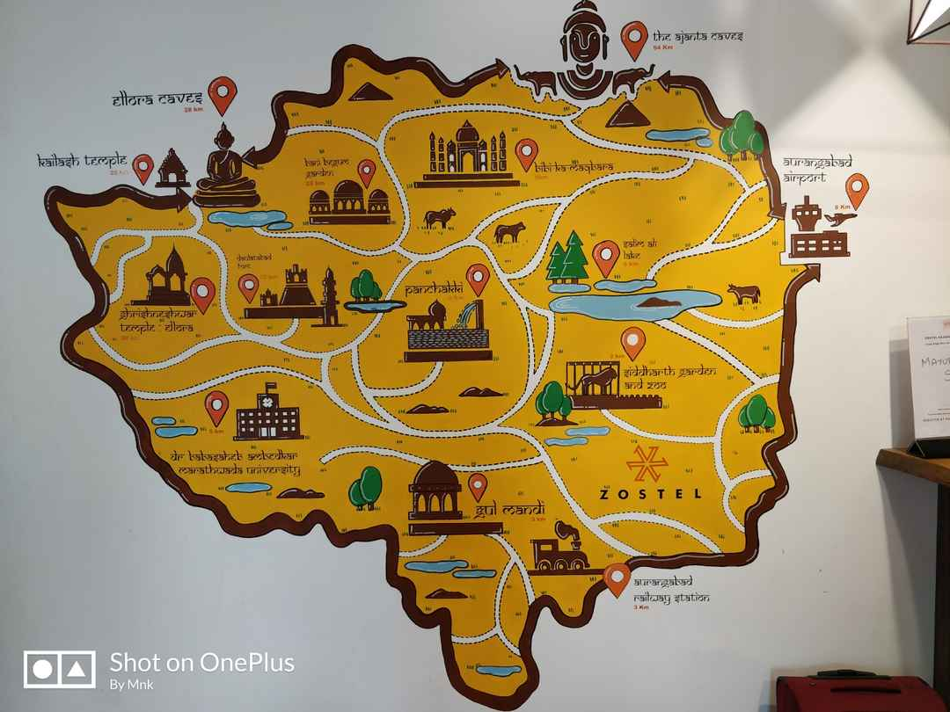
1.Which political party won the highest number of seats across all states?

 | Total
AITC | 47
BJP | 420
BSP | 163
CPI(M) | 100
INC | 413
IND | 201
MNM | 36
NTK | 38
SHS | 26
SP | 39
VBA | 47

**BJP won the highest number of seats across all states.**

2.Which candidate received the highest percentage of votes compared to the total votes polled in their constituency?

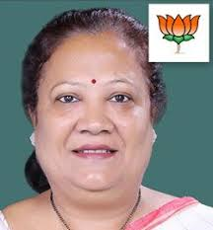
 | Total
AMIT SHAH | 69.5758213
C. R. Patil | 74.29821667
Darshana Vikram Jardosh | 74.41185575
Diya Kumari | 69.55235452
Gopal Shetty | 71.38435617
Kishan Kapoor | 71.83534148
RANJANBEN BHATT | 72.21643381
Sanjay Bhatia | 70.04319717
SUBHASH CHANDRA BAHERIA | 71.5600403
UDAY PRATAP SINGH | 69.32987655
**Darshana Vikram Jardosh received the highest percentage of votes compared to the total voltes polled in their constituency**

Darshana Vikram Jardosh

3.How many winning candidates have declared criminal cases, and which party has the highest number of such candidates?

 | Sum of CRIMINAL | Sum of WINNER
BJP | 898 | 300
BSP | 175 | 11
CPI(M) | 168 | 5
INC | 734 | 52
IND | 131 | 4
NCP | 54 | 5
RJD | 52 | 0
SHS | 62 | 18
SP | 74 | 5
VBA | 44 | 0
**Around 900 winning candidates have declared criminal cases, and all of them belongs to BJP.**
**INC have around 720 winning candidates have declared criminal cases.**

4.Which constituency has the highest number of candidates?

 | Total
ARUKU | 7
AURANGABAD | 13
BANKA | 7
BARAMULLA | 7
BASTAR | 7
CHATRA | 8
GAYA (SC) | 11
JAHANABAD | 7
KHAGARIA | 7
KORAPUT | 7
MAHABUBABAD | 7
MAHARAJGANJ | 8
MUNGER | 7
PALAMAU | 7
SAMASTIPUR (SC) | 7
SHEOHAR | 8
SUPAUL | 8
UJIARPUR | 8
VAISHALI | 7
**Aurangabad has the highest number of candidates**

